Calculations
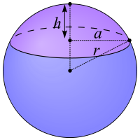
Coordinates of Scale on Drawing |  |  |  |  |  | Not used
lat conversion |  | 363842.16 | ft/deg lat
lon conversion |  | 307599.08 | ft/deg lon

Ө
Scale | 1304.3 | ft
 | 500 | ft
Scale by | 0.3833473894 |  |  |  |  |  | a = ((V*6/(pi()*h)-h²)/3)^(0.5)

Coordinates of Corners of Drawing |  |  |  |  |  |  | r | 6371.0 | km (mean radius of earth)
 | lat |  |  | lon |  |  | Ө | 32.809116 | ⁰
North | 32.812170 | ⁰ | East | -117.210689 | ⁰ |  | a | 5354.700659 | km =(cos(Ө)*r)
South | 32.806062 | ⁰ | West | -117.222904 | ⁰ |  | C | 33644.576505 | km (circumference at that latitude)
 |  |  |  |  |  |  |  | 110382472.38 | ft
Length | 2222.35 | 3757.32 |  |  |  |  | lat conv |  | ft/⁰
Scaled | 851.93 | 1440.36 |  |  |  |  | lon conv | 306617.97883 | ft/⁰

 | lat |  |  | lon |  |  |  | 307374.05
North | 32.808403486 | ⁰ | East | -117.21822141 | ⁰
South | 32.806062 | ⁰ | West | -117.222904 | ⁰

Length | 851.93 | 1440.36

